Sheet1


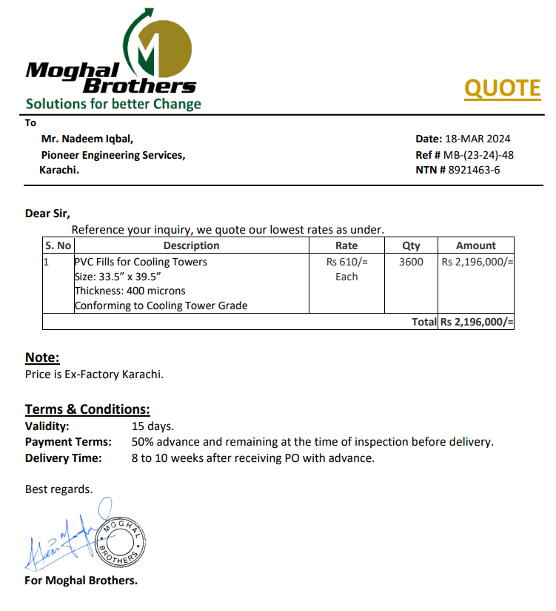

M/S Moghal Brothers |  |  |  |  | 22-Mar-24

PURCHASE ORDER

Purchase Order for PVC Fills

S No. | D e s c r i p t i o n | Qty | Unit | Rate | Amount
1 | PVC Fills for Cooling Towers Size: 33.5” x 39.5” Thickness: 400 microns Conforming to Cooling Tower Grade | 3600 | Nos | 600 | 2,160,000 | 76,200 | 250
Total Amount Rs. |  |  |  |  | 2,160,000

Note: Above PO is subject to approval.

for PIONEER ENGINEERING SERVICES

